IA
Investment Analysis
Address: | 15620 Ramona Rd , Apple Valley , CA 92307 |  | Estimated Project in Mos. | 7.466666667
 | TOTAL PURCHASE COST
65.22% | $300,000.00 | Purchase Price | $320,218.25 |  | 2025-11-07 | COE Date
2.83% | $13,000.00 | Due Diligence Cost | $456,618.02 |  | 2026-06-19 | EOM
0.65% | $3,003.00 | Insurance | $136,399.77 | Refund | 224
0.00% | $0.00 | Cash for Keys
0.55% | $2,509.25 | Escrow and Title
0.00% |  | Prorated Property Tax |  | Total Cash Investmetn Including Payments | $79,901.98
69.24% | $318,512.25 | Total Purchase Costs |  | Cash Required to Close: | $49,747.93
 | LENDER COST
1st LOAN
0.00% |  | Prepaid Interest 1st | 10.45% | Interest Rate | 1st Loan Amount | Override Loan Am.
5.24% | $24,123.24 | Interest on New Loan 1st | 224 | Days | $371,000
0.81% | $3,710.00 | Loan Origination Fee 1st | 1.00% | Points | $345,000 | 75% of ARV
0.22% | $999.00 | Loan Fees & Appraisal Fee 1st | $999.00 | Est. Loan Fees | $270,000 | 90% of Cost
0.00% |  |  |  | Appraisal Fee | $3,231 | Mo.Payment
0.00% |  |  | $24,454.08 |  | 224 | odd days
0.00% |  |  |  |  | 31 | Day in Mo
 |  |  |  |  | $23,345.08 | ProRated Payment
 |  |  |  |  | $268,764.32 | ShortFunds to Escrow
2nd LOAN
0.00% |  |  | 12.00% | Interest Rate
0.00% |  | Interest from 2nd Payoff | 224 | Days | 2nd Loan Amount
0.00% |  |  | 0.00% | Points
0.00% | $0.00 | Loan Fees 2nd | $0.00 | Est. Loan Fees
0.00% | $0.00 | Additional 2nd Payments Made
0.00% | $0.00 | Unused 2nd Payments Credit
0.00% | $0.00 | Interest from 2nd Payoff
6.27% | $28,832.24 | Total Lender Costs
 | REHABILITATION COSTS
16.13% | $74,181.60 | Estimated Repairs
0.00% | $0.00 | Utilities
16.13% | $74,181.60 | Total Rehab Costs
GROSS PROFITS
100.00% | $460,000.00 | After Repair Value | Estimated Sales Price | $515,000.00
0.50% | $2,500.00 | Escrow and Title |  | Total Development Cost
0.00% | $1,200.00 | Prorated Property Tax | 69.24% | $318,512.25 | Total Acquisition Cost
0.00% | $10,000.00 | Concessions (Buyer's Help) | 6.27% | $28,832.24 | Hard Money Costs
2.00% | $9,200.00 | Buyers Agent Commissions | 16.13% | $74,181.60 | Rehab Costs
0.00% | $0.00 |  | 0.00% | $0.00 | Miscellaneous Costs Less Interest
0.00% | $645.00 |  | 91.64% | $421,526.09 | Total Development Cost
0.00% | $299.95
94.82% | $436,155.05 | Gross Profit to Seller
 | NET PROFITS
3.18% | $14,628.96 | Net Profit | Notes: |  |  | $65,155.05
 | 11.07% | ROI |  |  |  | 119397.15
 | 17.79% | IRR |  |  |  | -$54,242.10
 | $7,314.48

 |  |  | Approved By: |  | Date

 |  |  | Resale |  |  | Purchase

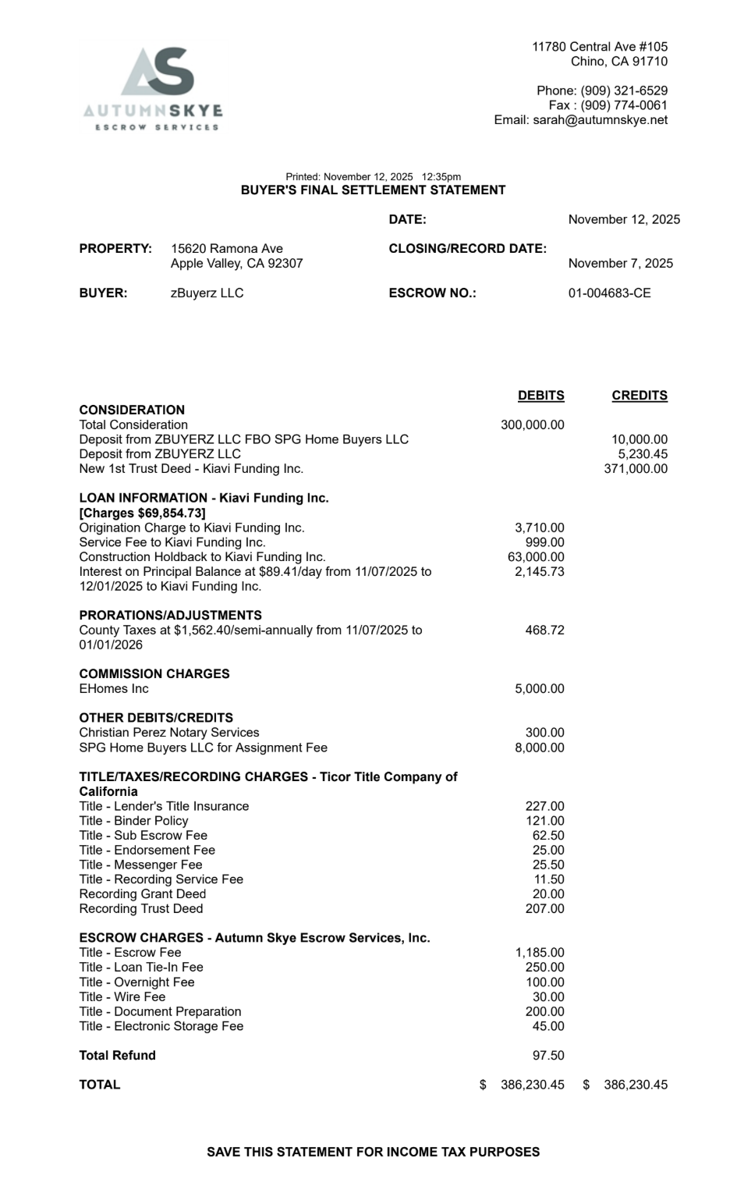

 |  | Acquisition |  | $323,632.95
 |  | Rehab Materials |  | $23,798.09
 |  | Rehab Other |  | $20,223.51
 |  | Rehab Labor |  | $30,150.00
 |  | Holding |  | $23,443.67
 |  | Interest Charges |  | $2,838.97
 |  | Addtl Kiavi |  | $1,938.48
 |  | Settlement Charges |  | $24,607.15

 |  | Total |  | $450,632.82

 |  | Sales Price |  | $460,000.00

 |  | Profit |  | $9,367.18

 |  | Holdback |  | $ -

 |  | Amount to be Disb |  | $9,367.18

